GET
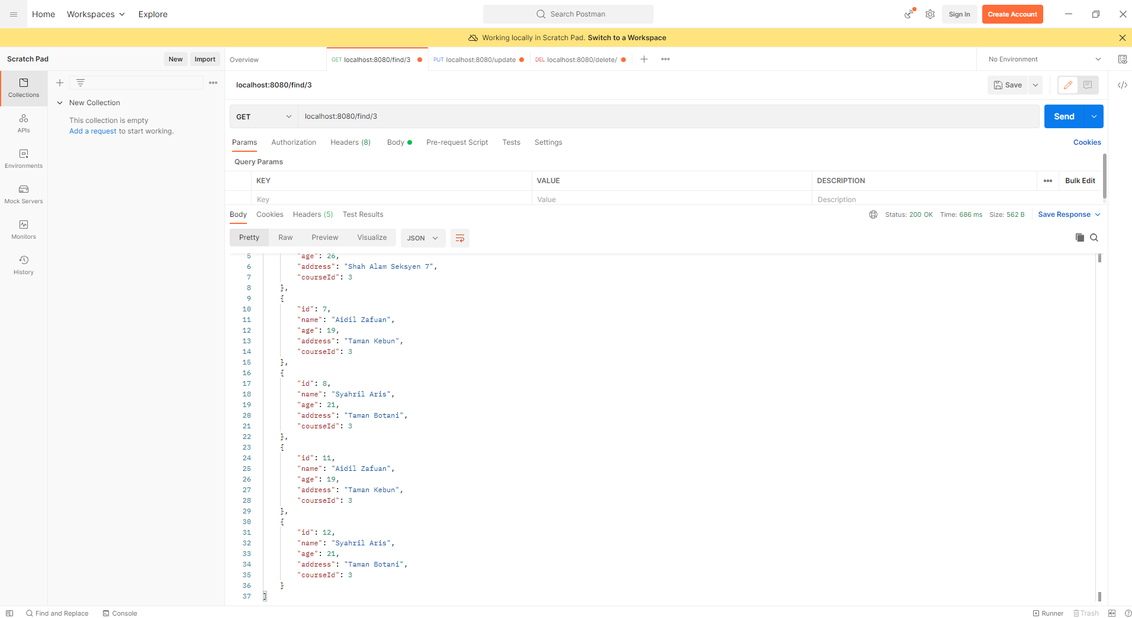
POSTMAN testing

Test GET before save(POST) is made

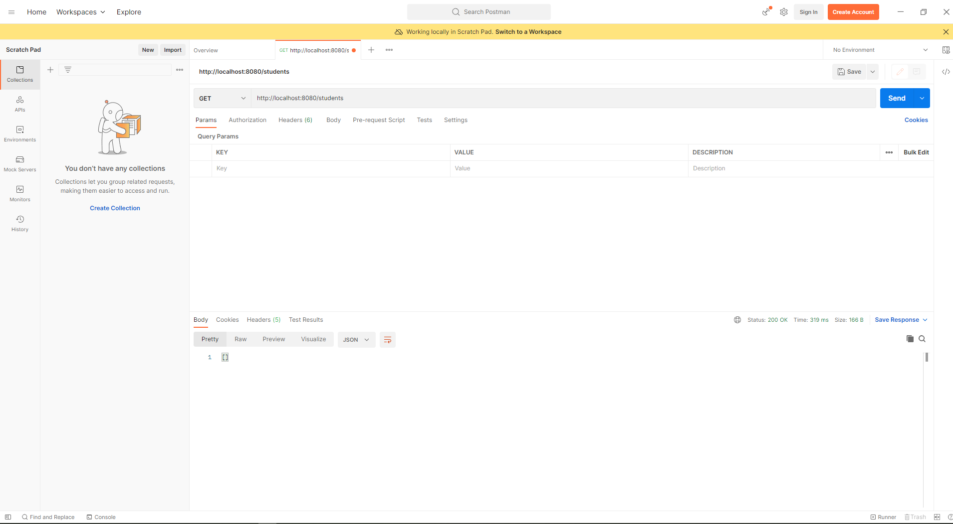

Test GET after save(POST) is made

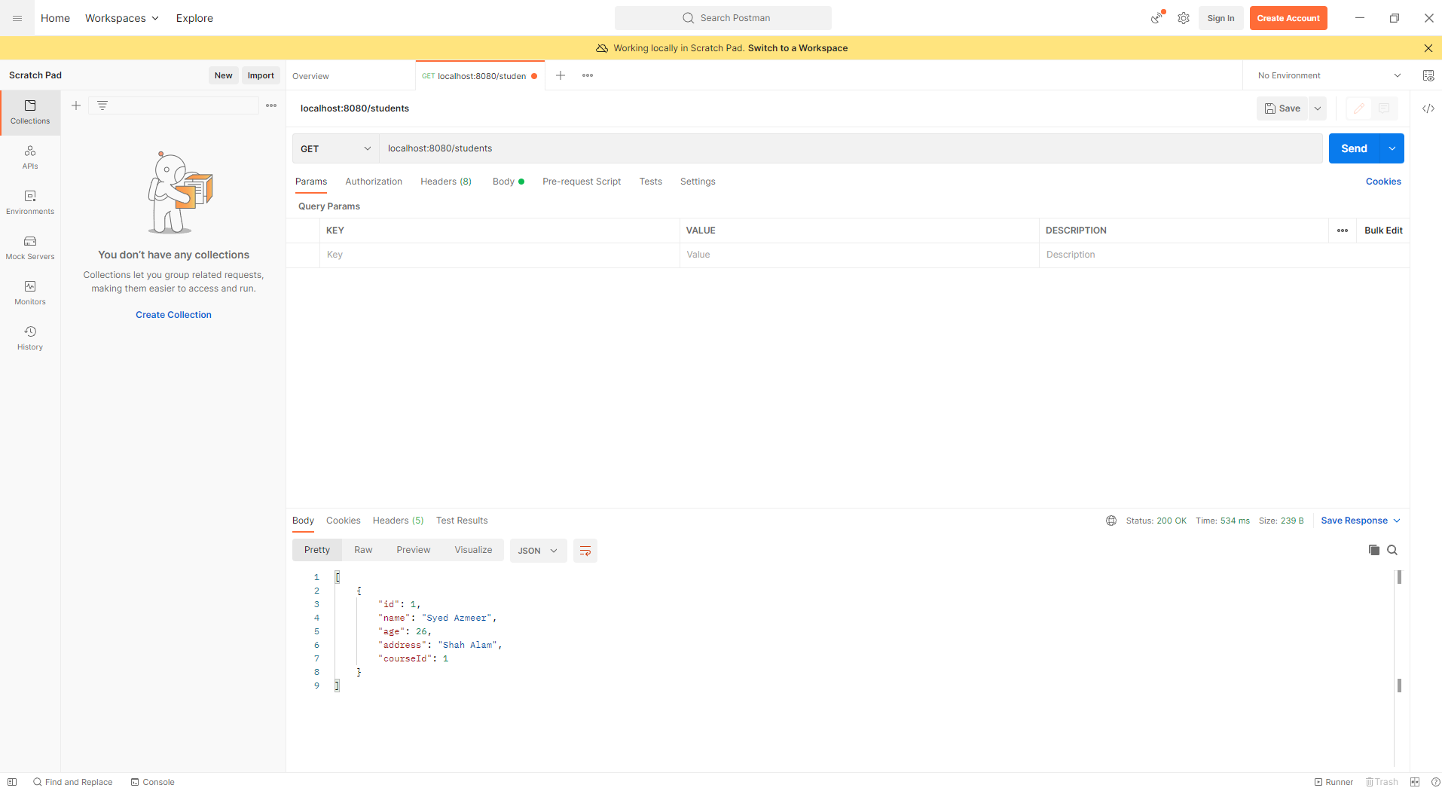

SQL Workbench

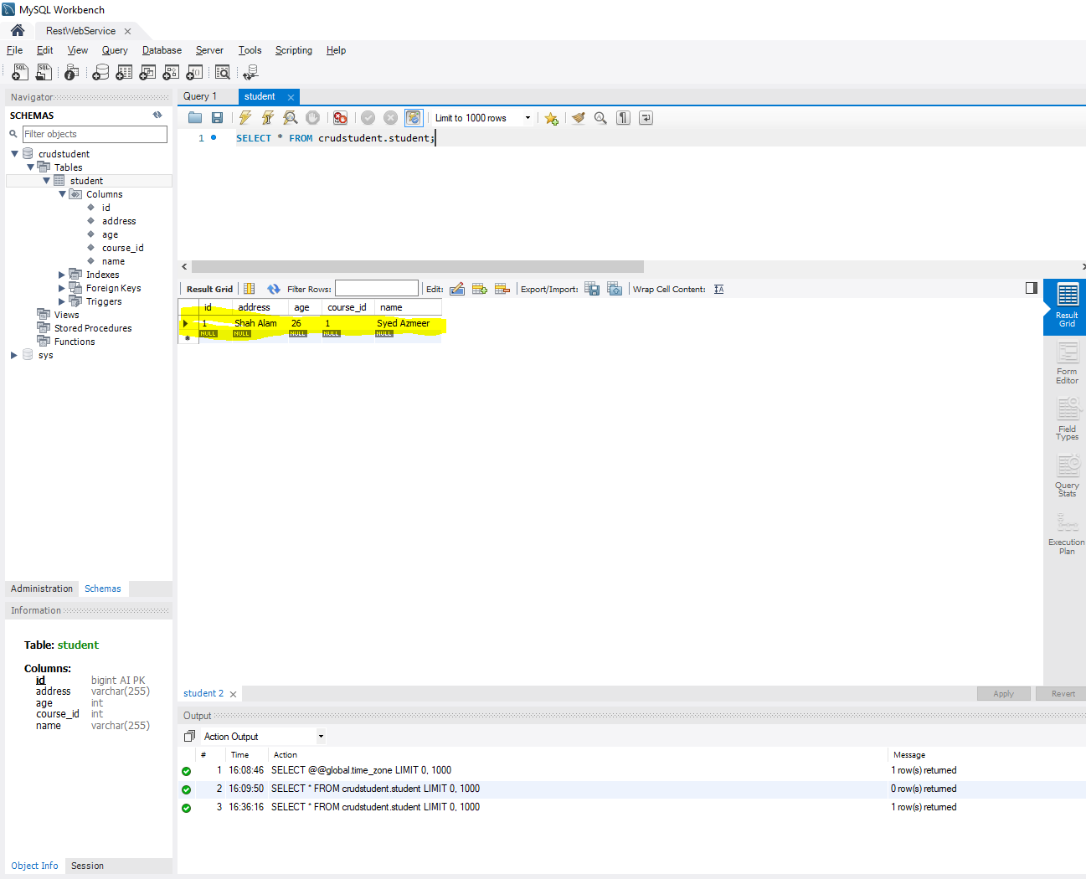

Run again GET after updare in PUT method, the value of courseId is updated
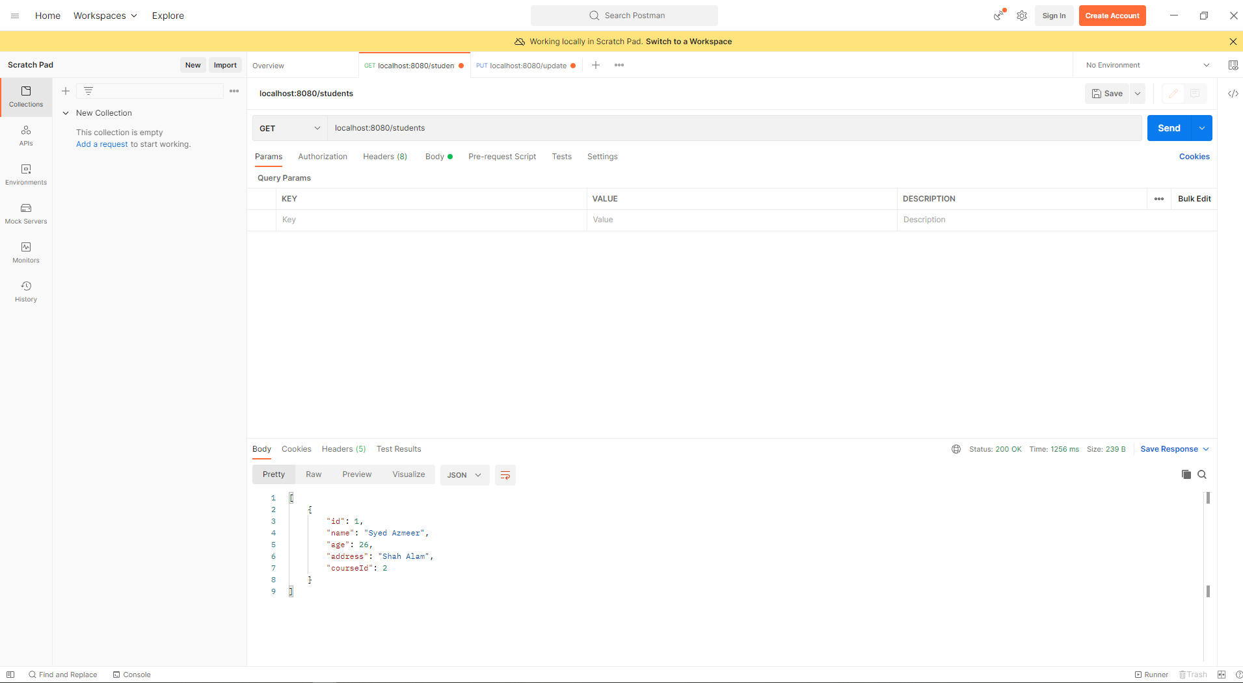

Run again GET after reinsert new data

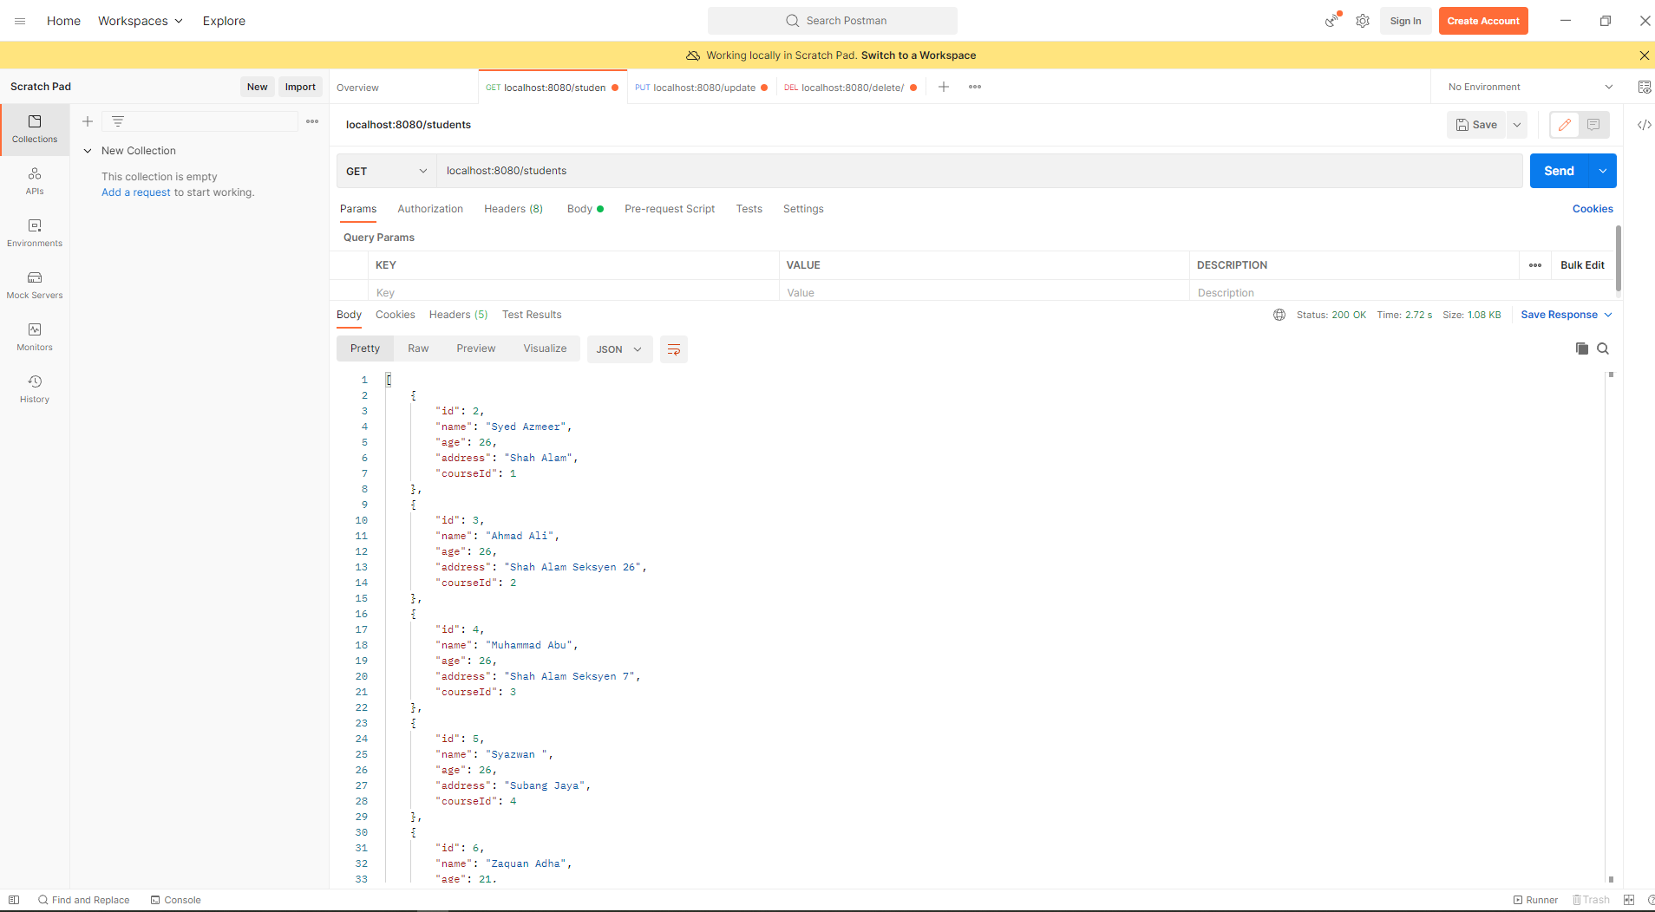

GET Course Id

Code Snippet

Postman GET result

POST
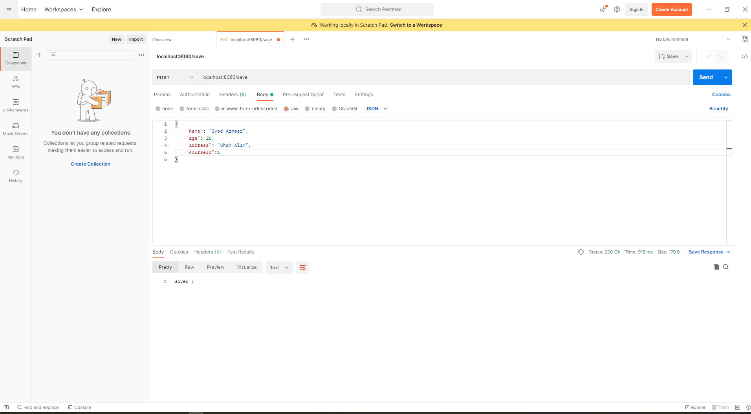
Code Snippet on POST method

Test POST in POSTMAN

PUT
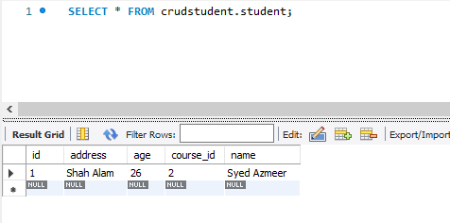
Code Snippet for PUT

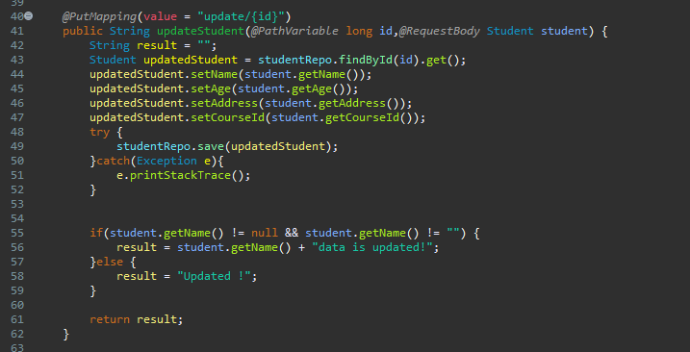

Change the courseId value from student id 1

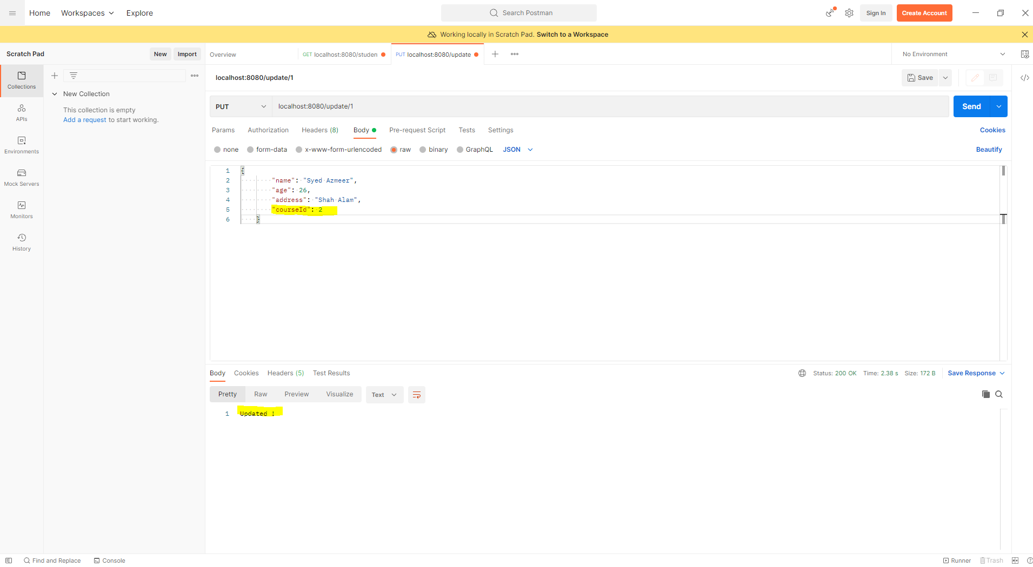

Data for student id 1 is updated in database

DELETE
Code snippet

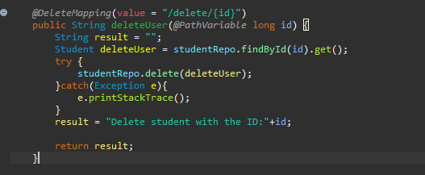

student id 1 is deleted
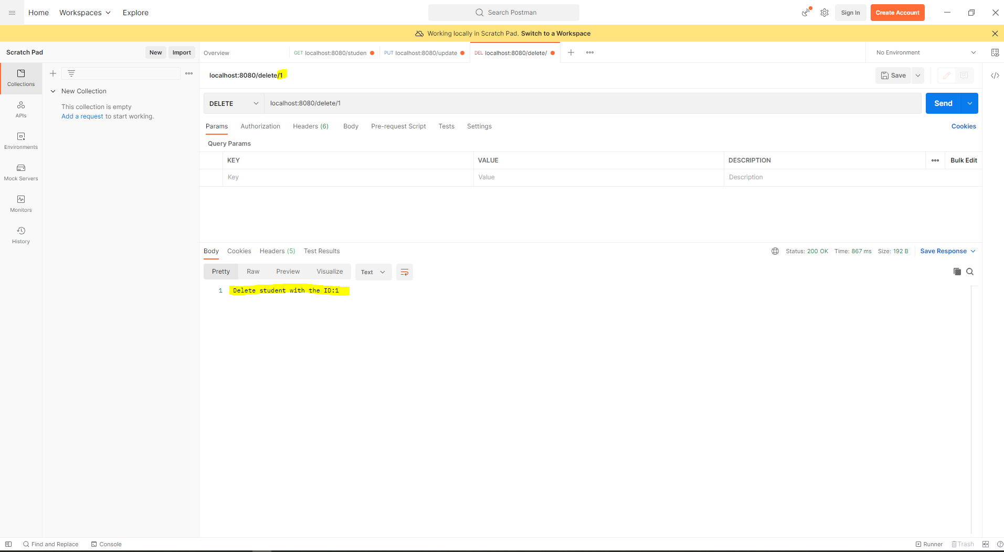

student id 1 is deleted from student table

Data Prep
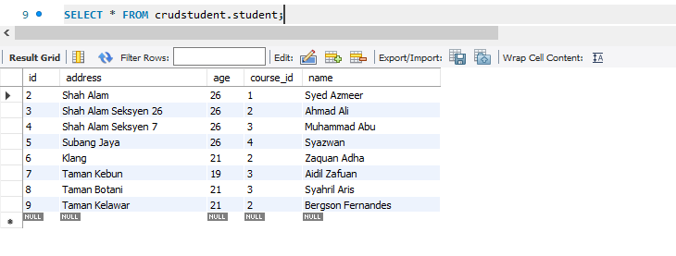
Data Preparation

1) Create table ref_student_course for course details

2) Insert data into ref_student_course

3) Data in ref_student_course

Re insert Student data

